Contents

CRM - Assumptions workbook

 |  | This data is provided in the framework of the evaluation of the Belgian CRM calibration. It includes the data required by article 5 of the Royal Decree on volume and parameters http://www.ejustice.just.fgov.be/eli/arrete/2021/04/28/2021041351/justel All the data presented in this Excel document pertains to the Delivery Periods 2025-26 and 2028-29, which will be simulated for calibration. This data is in line with the Ministerial Decree on reference scenario: https://www.ejustice.just.fgov.be/cgi/article_body.pl?language=fr&pub_date=2023-10-02&caller=list&numac=2023045383#top It's important to note that the presented data does not account for the outcomes of the Y-4 auction with Delivery Period 2027-28.

1° Data and assumptions for the scenario

 | 1. Generation & Storage
 |  | 1.1 Generation & Storage summary
 |  | 1.2 Individually modelled thermal generation
 |  | 1.3 Storage
 |  | 1.4 Renewable and thermal without daily schedule
 |  | 1.5 Forced outage rates

 | 2. Consumption
 |  | 2.1 Demand
 |  | 2.2 Demand - Climact parameters
 |  | 2.3 Demand-Side Response

 | 3. Balancing capacity

 | 4. Flow based domains

 | 5. Other countries data

 | 6. Economic parameters

2° Sensitivities that could be integrated in the reference scenario

 | 7. Applied sensitivities

3° Preselected capacity types

 | 8. Preselected capacity types

4° Net-CONE input data

 | 9. Scenarios post delivery year

5° Intermediate Price Cap

 | 10. Parameters for the IPC
 |  | 10.1 Technology list
 |  | 10.2 Revenues parameters

8. Preselected capacity types
8. Preselected capacity types

The preselected capacity types have the characteristics described in the tabel below.

For DY 2025-26
Category | Associated technology | Volume Calculation | Marginal Price Calculation | CAPEX | FOM | Economic lifetime
 |  |  |  | [€ 2022/kW] | [€ 2022/kW] | [y]
Batteries | Large-scale bat. | Add new Large-scale batteries | / | 1200 | 20 | 15
DSR | DSR | Add new 24h DSR | Marginal price of 24h DSR | 0 | See below | 1

For DY 2028-29
Category | Associated technology | Volume Calculation | Marginal Price Calculation | CAPEX | FOM | Economic lifetime
 |  |  |  | [€ 2022/kW] | [€ 2022/kW] | [y]
Type 1 - Semi-baseload | CCGT, CHP | Add new CCGT | Marginal price of a new CCGT | 700* | 30 | 20
Type 2 - Peakers 1 | OCGT | Add new OCGT | Marginal price of a new OCGT | 550** | 25 | 20
Type 4 - Batteries | Large-scale bat. | Add new Large-scale batteries | / | 900 | 20 | 15
Type 5 - DSR | DSR | Add new 24h DSR | Marginal price of 24h DSR | see below
*CAPEX for CCGT >800 MW
**CAPEX for OCGT>100 MW
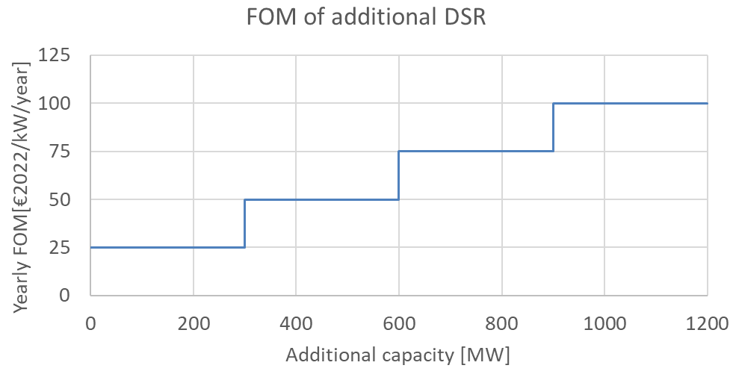

Sources:
Public consultation of Adequacy & Flexibility study 2023

9. Scenarios post DY
9. Scenarios post-delivery period choice

Sources of scenarios for periods after the delivery period in order to calculate the market revenues.

Application to Y-1 auction for DY 2025-2026

2025
2028
2030
2034
2040

CRM Y-1
DY25-28
AdFlex 23
CRM Y-4
DY28-29
AdFlex 23 (2034 Scenario)

Application to Y-4 auction for DY 2028-2029

2028
2030
2034
2040

AdFlex 23
CRM Y-4
DY28-29
AdFlex 23 (2034 Scenario)

