Overview Submeter Solutions
 |  | Overview Submeter Solutions

These solutions apply exclusively to Delivery Points within the electrical facilities of a Grid User connected to the ELIA Grid.
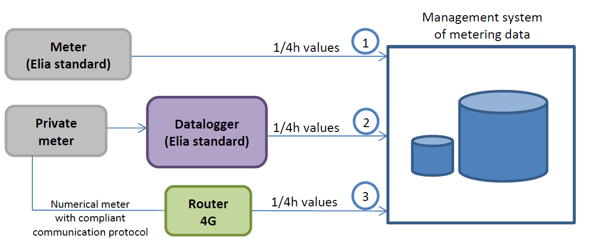

 |  | Option 1 |  |  | Option 2 | Option 3
 | Accuracy Class | A | B | C
 |  | 0,2S | 0,5S | 1
 | TI | Private |  |  | Private | Private
 | TP | Private |  |  | Private | Private
 | Meter | Standard Elia |  |  | Private | Private
 | Datalogger | n.a. |  |  | Standard Elia | (Private)
 | Router 4G | included in the cubicle Elia |  |  | included in the cubicle Elia | Standard Elia

