Types of tests
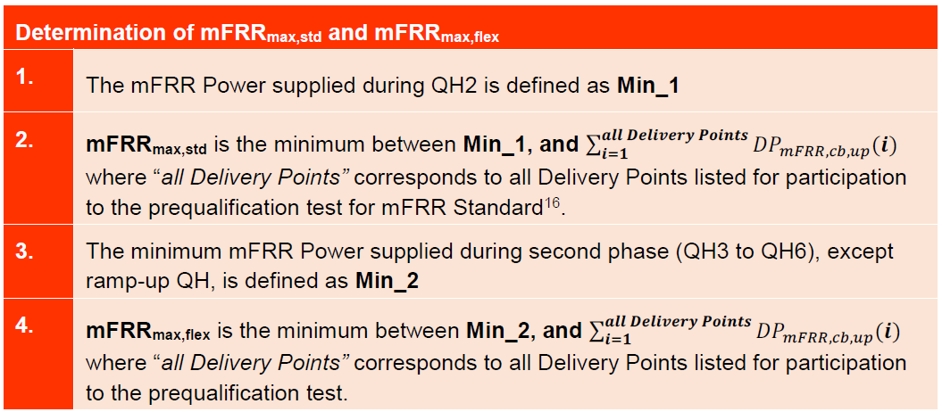
Standard |  |  | Flex |  | Standard + Flex

 | The figure shows the pattern that will be required to pre-qualify a pool for the mFRR Standard. |  |  | The figure shows the pattern that will be required to pre-qualify a Pool for the mFRR Flex. |  | This type of prequalification test applies in case the BSP would like to offer an additional volume of mFRR Flex on top of the mFRR Standard.
 | The prequalification test consists of 2 phases: |  |  | The prequalification test consists of an activation of 6 consecutive quarter-hours where the first one is considered as the ramp-up. |  | The figure shows the pattern that will be required to prequalify a Pool for the mFRR Standard and mFRR Flex.
 |  | - an activation of 2 quarter-hours;
 |  | - no activation for 4 quarter-hours (one hour stop); |  |  |  | The prequalification test consists of 2 phases:
 |  | - an activation of 4 quarter-hours. |  |  |  |  | - an activation of mFRR Standard for 2 quarter-hours;
 | The first quarter-hour of each activation is considered as the ramp-up. |  |  |  |  |  | - no activation for 4 quarter-hours (one hour stop);
 |  |  |  |  |  |  | - an activation of mFRR Standard and mFRR Flex for 4 quarter-hours.
 |  |  |  |  |  | The first quarter-hour of each activation is considered as the ramp-up.

