Contents

CRM - Assumptions workbook

 | Delivery Year 2027-28 - Inputs for Y-4 Auction

 |  | This data is provided in the framework of the evaluation of the Belgian CRM calibration. It includes the data required by article 5 of the Royal Decree on volume and parameters http://www.ejustice.just.fgov.be/eli/arrete/2021/04/28/2021041351/justel All the data presented in this excel are targetting the time horizon 2027-28 that will be simulated for the calibration.

1° Data and assumptions for the scenario

 | 1. Generation & Storage
 |  | 1.1 Generation & Storage summary
 |  | 1.2 Individually modelled thermal generation
 |  | 1.3 Storage
 |  | 1.4 Renewable and thermal without daily schedule
 |  | 1.5 Forced outage rates

 | 2. Consumption
 |  | 2.1 Demand
 |  | 2.2 Demand-Side Response

 | 3. Balancing capacity

 | 4. Flow based domains

 | 5. Other countries data

 | 6. Economic parameters

2° Sensitivities that could be integrated in the reference scenario

 | 7 Sensitivities menu

3° Preselected capacity types

 | 8. Preselected capacity types

4° Net-CONE input data

 | 9. Scenarios post delivery year

5° Intermediate Price Cap

 | 10. Parameters for the IPC
 |  | 10.1 Technology list
 |  | 10.2 Revenues parameters

1.5 Forced outage rates
1.5 Forced outage rates

 | Average forced outage rate over 2012-2021
CCGT | 7.0%
GT | 7.4%
TJ | 3.5%
CHP, waste & biomass | 6.7%
Pumped storage | 4.3%
HVDC link | 6.0%

 | 'Technical' forced outage rate over 2012-2021 | 'Long-lasting' forced outage rate over 2012-2021 | Planned outage rate during winter periods over 2012-2021
Nuclear | 4.0% | 16.5% | 8.1%

Sources:
Elia (2012-2021)
ENTSO-E Transparency platform (2015-2021) where available
MAF Study

8. Preselected capacity types
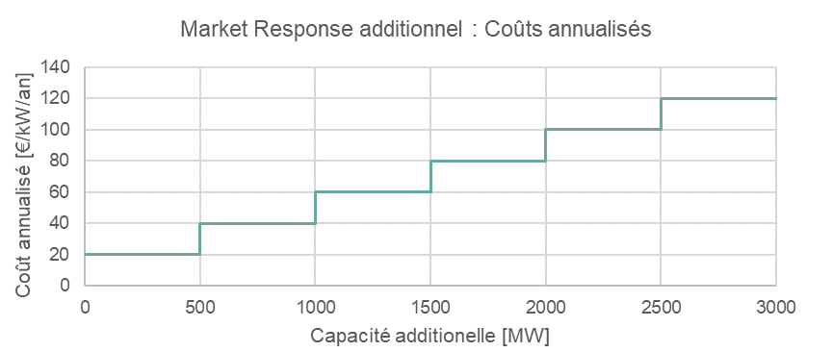
8. Preselected capacity types

The preselected capacity types have the characteristics described in the tabel below.

Category | Associated technology | Volume Calculation | Marginal Price Calculation | CAPEX | FOM | Economic lifetime
 |  |  |  | [€ 2020/kW] | [€ 2020/kW] | [y]
Type 1 - Semi-baseload | CCGT, CHP | Add new CCGT | Marginal price of a new CCGT | 600 | 25 | 20
Type 2 - Peakers 1 | OCGT | Add new OCGT | Marginal price of a new OCGT | 400 | 20 | 20
Type 3 - Peakers 2 | IC engines | Add new IC engines | Marginal price of a new IC engines | 300 | 15 | 15
Type 4 - Batteries | Large-scale bat. | Add new Large-scale batteries | / | 250 | 15 | 15
Type 5 - DSR | DSR | Add weighted average of existing DSR categories | Weighted average of existing DSR categories | see below

9. Scenarios post DY
9. Scenarios post-delivery period choice

Sources of scenarios for periods after the delivery period in order to calculate the market revenues.

2027
2030
2028
2032
2040

AdFlex 21
AdFlex 21 (2032 Scenario)

Scenario chosen to be as close to the chosen reference in 2026

