8. Preselected capacity types
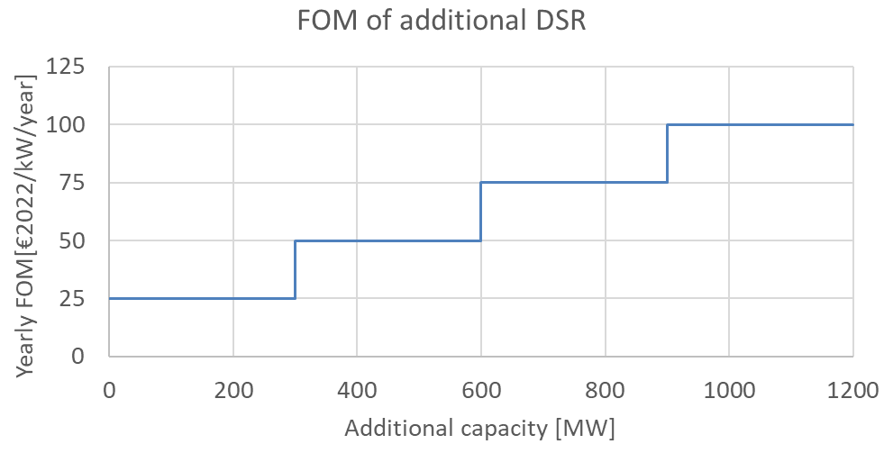
8. Preselected capacity types

The preselected capacity types have the characteristics described in the tabel below.

For DY 2025-26
Category | Associated technology | Volume Calculation | Marginal Price Calculation | CAPEX | FOM | Economic lifetime
 |  |  |  | [€ 2022/kW] | [€ 2022/kW] | [y]
Batteries | Large-scale bat. | Add new Large-scale batteries | / | 1200 | 20 | 15
DSR | DSR | Add new 4h DSR | Marginal price of 4h DSR | 0 | See below | 1

For DY 2028-29
Category | Associated technology | Volume Calculation | Marginal Price Calculation | CAPEX | FOM | Economic lifetime
 |  |  |  | [€ 2022/kW] | [€ 2022/kW] | [y]
Type 1 - Semi-baseload | CCGT, CHP | Add new CCGT | Marginal price of a new CCGT | 700* | 30 | 20
Type 2 - Peakers 1 | OCGT | Add new OCGT | Marginal price of a new OCGT | 550** | 25 | 20
Type 4 - Batteries | Large-scale bat. | Add new Large-scale batteries | / | 900 | 20 | 15
Type 5 - DSR | DSR | Add new 4h DSR | Marginal price of 4h DSR | see below
*CAPEX for CCGT >800 MW: assumption under review in discussions with industry
**CAPEX for OCGT>100 MW

9. Scenarios post DY
9. Scenarios post-delivery period choice

Sources of scenarios for periods after the delivery period in order to calculate the market revenues.

Application to Y-1 auction for DY 2025-2026

2025
2028
2026-27
2030
2032
2034
2040

AdFlex 23
AdFlex 23
CRM Y-4
DY28-29
AdFlex 23 (2034 Scenario)

Application to Y-4 auction for DY 2028-2029

2028
2030
2032
2034
2040

AdFlex 23
AdFlex 23 (2034 Scenario)

