8. Preselected capacity types
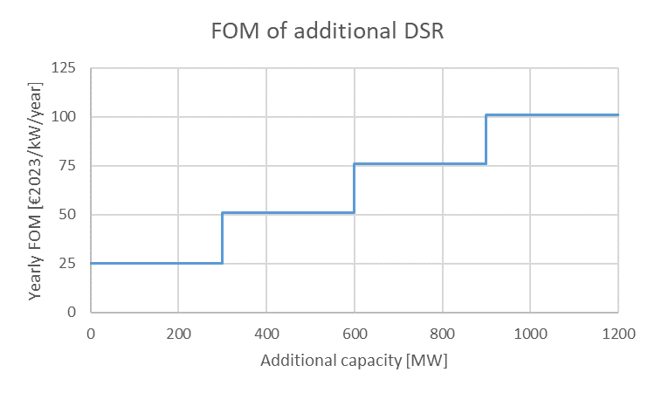
8. Preselected capacity types

The preselected capacity types have the characteristics described in the tabel below.

Technology | Marginal Price Calculation | CAPEX | FOM | Economic lifetime | Applicable in:
 |  | [€ 2023/kW] | [€ 2023/kW] | [y] | 2026-27/Y-1 | 2027-28/Y-2 | 2029-30/Y-4
CCGT | Marginal price of a new CCGT | 709* | 32 | 20 | No | No | Yes
OCGT | Marginal price of a new OCGT | 557** | 26 | 20 | No | No | Yes
Large-scale bat. | Marginal price of a new battery | 912 | 25 | 15 | Yes | Yes | Yes
DSR 24h | Marginal price of 24h DSR | see below |  |  | Yes | Yes | Yes
*CAPEX for CCGT >800 MW
**CAPEX for OCGT>100 MW

9. Scenarios post DY
9. Scenarios post-delivery period choice

Sources of scenarios for periods after the delivery period in order to calculate the market revenues.

Application to 2026-27/Y-1

2026
2029
2027
2030
2034
2040

CRM
2026-27/Y-1
CRM
2027-28/Y-2
CRM
2029-30/Y-4
AdFlex 23
AdFlex 23 (2034 Scenario)

Application to 2027-28/Y-2

2029
2027
2030
2032
2034
2040

CRM
2027-28/Y-2
CRM
2029-30/Y-4
AdFlex 23
AdFlex 23 (2034 Scenario)

Application to 2029-30/Y-4

2029
2030
2032
2034
2040

CRM
2029-30/Y-4
AdFlex 23
AdFlex 23 (2034 Scenario)

